Sheet1
 | In a markov model you are using a matrix of transition probabilities to predict the population in each state for every time step.
 | Let's say we want to use a markov model to predict the number of IHD cases and deaths over time.

 | To keep it simple we will look at 4 health states: well, sick, dead from IHD, dead from other cause.

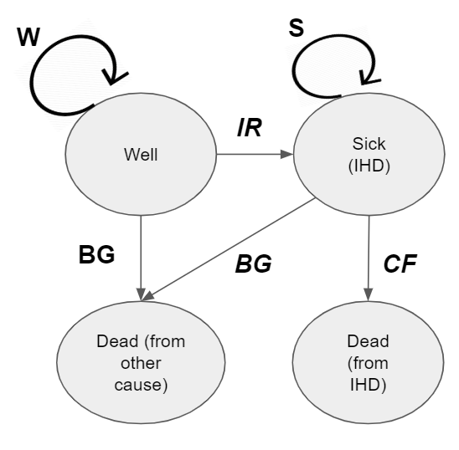
 |  |  |  |  |  | Since we have 4 health states we have a 4x4 matrix of transition probablilities
 |  |  |  |  |  | On the column we have the state at time =t and on the row we have the state at time =t+1
 |  |  |  |  |  | The values in red are constructs of the model - the other transition probabilities (TP's) must be calculated.

 |  |  |  |  |  |  |  | time = t+1 |  |  |  |  | *Note that the death states are absorbing (TP=1) so they are cumulative
 |  |  |  |  |  |  |  | Well | Sick | Dead | Dead other
 |  |  |  |  |  | time = t | Well | W | IR | 0 | BG
 |  |  |  |  |  |  | Sick | 0 | S | CF | BG |  | Now let's fill this with data.
 |  |  |  |  |  |  | Dead | 0 | 0 | 1 | 0 |  | Note these are probabilities so they must be between 0 and 1 and also the sum of the rows must sum to 1.
 |  |  |  |  |  |  | Dead other | 0 | 0 | 0 | 1 |  | So maybe we only know IR, CF, and BG -- that's okay since we can then calculte W and S

 | Then, all we do to run the model is multiple this matrix by a 1x4 matrix of initial conditions:
 | Let's demonstrate how to do this 'by hand':

 |  | Well | Sick | Dead | Dead other | pop |  |  | 0.8 | 0.15 | 0 | 0.05
age = a | time = t | 1000 | 20 | 5 | 10 | 1035 |  | * | 0 | 0.85 | 0.1 | 0.05
age = a+1 | time = t+1 | 800 | 167 | 7 | 61 | 1035 |  |  | 0 | 0 | 1 | 0
age = a+2 | time = t+2 |  |  |  |  | 0 |  |  | 0 | 0 | 0 | 1

 |  | *Next we'll do this in R

 |  | Some things to remember:
 |  | 1 | matrix structures are row x column so a 1x4 matrix is one row, four columns
 |  | 2 | the order in which you multiple matrices matters -- the inside dimensions must match so you have to do a 1X4 times a 4X4 -- not a 4X4 times a 1X4
 |  | 3

